Exercise 1
Project Funding

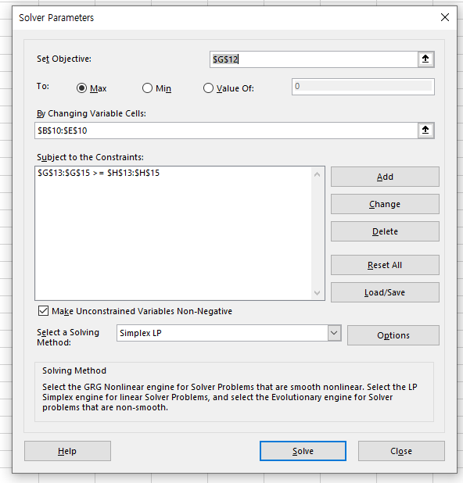
Cash Requirements (in $ mil)
 | Year | Cash Required
 | 2022 | 20
 | 2023 | 30
 | 2024 | 40

 | How many to buy (in millions)
Bond Cash Flows | 38.095238095 | 0 | 18.095238095 | 28.095238095
 | Bond 1 | Bond 2 | Bond 3 | Bond 4 | cashflows
2021 | -1.04 | -1.00 | -0.98 | -0.92 | -83.2 | Cash Required | object function
2022 | 0.05 | 0.04 | 1.00 | 0.00 | 20 | 20
2023 | 0.05 | 1.04 |  | 1.00 | 30 | 30
2024 | 1.05 |  |  |  | 40 | 40

Exercise 2
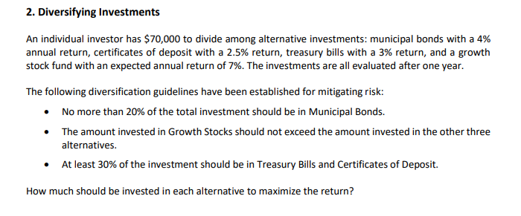

 | Type of Alt inv | Annual Return | Investement by asset | Percent Ali | Max Ailo | Min Ailo
Mun Bond | 4.00% | $14,000.00 |  | 20% | 20% | 0%
Cert of Dep | 2.50% | $0.00 |  | 100% | 100% | 0%
T Bill | 3.00% | $21,000.00 |  | 100% | 100% | 30%
Stock | 7.00% | $35,000.00 |  | 50% | 50% | 0%

 |  | Total Invest | $70,000.00 | ROI
 |  | Max Invest | $70,000.00

